Лист1
Parts of V Series Models: V350/ V400/ V450/ V500/ V650/ V700
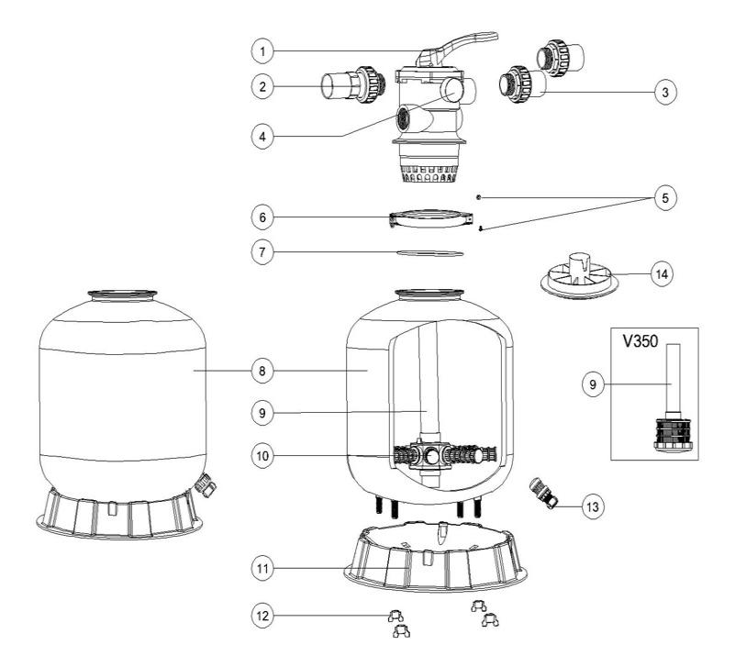

Key No. | Part No. | Description | Piece(s) Required
1 | 88280150B | 6 Way 1.5" Valve with 1.5" union set x 3 and pressure gauge (Black) | 1
2 | 89280101B | 1.5" union with sight glass with O-ring (Black) | 1
3 | 89280102B | 1.5" union set with O-ring (Black) | 2
4 | 06021013 | Plastic Pressure Gauge with O-Ring | 1
4 | 01111048 | Connector for Pressure Gauge/Stopper | 1
5 | 89010119 | M6*50 Screws with Nut | 2
6 | 01271010 | Clamp Lock | 2
7 | 02011134 | O-Ring for Filter Neck | 1
8 | 89010114 | V350 Filter tank | 1
8 | 89010113 | V400 Filter tank | 1
8 | 89010112 | V450Filter Tank | 1
8 | 89010111 | V500 Filter tank | 1
8 | 89010110 | V650 Filter tank | 1
8 | 89010109 | V700 Filter tank | 1
9 | 89010106 | V350 Lateral Assembly with Center Pipe | 1
9 | 89010118 | V400 Standpipe with hub | 1
9 | 89010105 | V450 Lateral Assembly with Center Pipe | 1
9 | 89010104 | V500 Lateral Assembly with Center Pipe | 1
9 | 89010103 | V650 Lateral Assembly with Center Pipe | 1
9 | 89010102 | V700 Standpipe with Hub | 1
10 | 01172007 | Laterals(115mm) | 8
10 | 01172008 | Laterals (126mm) | 8
11 | 01111052 | V/P350 Filter Base | 1
11 | 01111059 | 16-21inch Filter Base | 1
11 | 01111062 | 21-28" Filter Base for V500/ V650/ V700 | 1
12 | 01181052 | Fastener for Filter Base | 4
13 | 89010107 | Water Drain Set | 1
14 | 01015006 | Sand Diverter (Black) for 1.5" | 1
Notes: | 10* 01172007 is laterals (115mm) for V350-V450
 | 10* 01172008 is laterals (126mm) for V500-700

