FSP350-4W - FSP650-4W
 |  | FSP 4-WAY FILTRATION COMBO REPLACEMENT PARTS

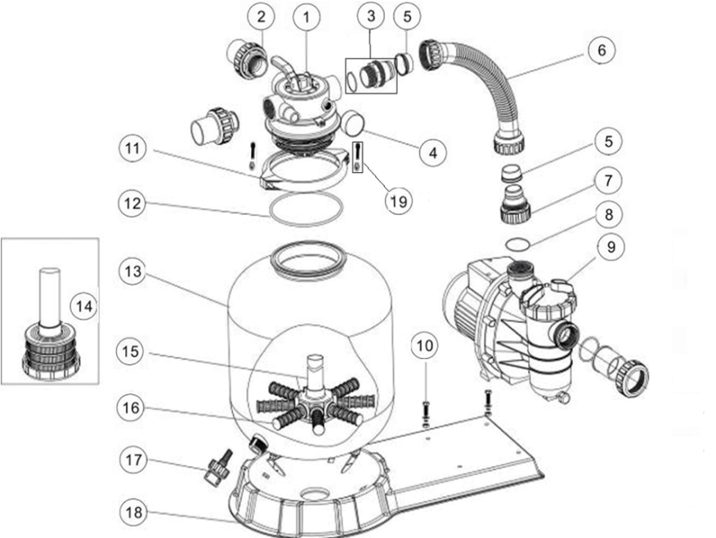
Parts of FSP Models: FSP350-4W/ FSP400-4W/ FSP450-4W/ FSP500-4W/ FSP650-4W
Back to Table of Content

Key No. | Part No. | Description | Piece(s) Required | Order Qty
1* | 88281205 | 1.5"-4Way Top Mount Valve (Black/ White Colour) | 1
2* | 89280102 | 1.5" Union Set With O-Ring (Black/ White Colour) | 1
3 | 89030204 | Hose adaptor with O-Ring | 1
4 | 06021001 | Plastic Pressure Gauge with O-Ring (35psi) | 1
4 | 01111048 | Connector for pressure gauge/stopper | 1
5 | 02011026 | Sleeve for Hose | 2
6 | 89030301 | FSP350-4W Plastic Hose with Nut | 1
6 | 89030401 | FSP400-4W Plastic hose with Nut | 1
6 | 89030501 | FSP450-4W Plastic hose with Nut | 1
6 | 89030601 | FSP500-4W Plastic hose with Nut | 1
6 | 89030701 | FSP650-4W Plastic hose with Nut | 1
7 | 01013049 | Hose adaptor with nut | 1
8 | 02011104 | O-Ring for 1.5" Union | 1
9 | 88022401 | Pump 0.20hp, 220V/50Hz, Single Phase | 1
9 | 88022402 | Pump 0.33hp, 220V/50Hz, Single Phase | 1
9 | 88022403 | Pump 0.50hp, 220V/50Hz, Single Phase | 1
9 | 88022404 | Pump 0.75hp, 220V/50Hz, Single Phase | 1
9 | 88022405 | Pump 1.00hp, 220V/50Hz, Single Phase | 1
10 | 89032001 | Pump Assembly Screw | 2
11 | 01271010 | Clamp Lock | 2
12 | 02011134 | O-Ring for Filter Neck | 1
13 | 01331005 | P350 Filter Tank | 1
13 | 01331006 | P400 Filter tank | 1
13 | 01331007 | SP/P450 Filter tank | 1
13 | 01331008 | SP/P500 Filter tank | 1
13 | 01331010 | SP/P650 Filter tank | 1
14 | 89011602 | P350 Lateral Assembly with Center Pipe | 1
15 | 89011603 | P400 Lateral Assembly with Center Pipe | 1
15 | 89011604 | P450 Lateral Assembly with Center Pipe | 1
15 | 89011605 | P500 Lateral Assembly with Center Pipe | 1
15 | 89011606 | P650 Lateral Assembly with Center Pipe | 1
16 | 01172007 | Laterals(115mm) | 8
16 | 01172008 | Laterals (126mm) | 8
17 | 89011601 | Water Drain Set | 1
18 | 01111056 | FSP/F350-4-6W Combo Base | 1
18 | 01111053 | FSP/F400-6W - FSP/F650-6W Combo base | 1
19 | 89010119 | M6*50 Screws With Nut | 2
Notes: | 1* 88281205B is 1.5"-4Way Top Mount Valve in Black Colour
 | 1* 88281205W is 1.5"-4Way Top Mount Valve in White Colour | S650 RingLocK Filter tank with Base
 | 2* 89280102B is 1.5" Union Set With O-Ring in Black Colour
 | 2* 89280102W is 1.5" Union Set With O-Ring in White Colour

